Sheet1
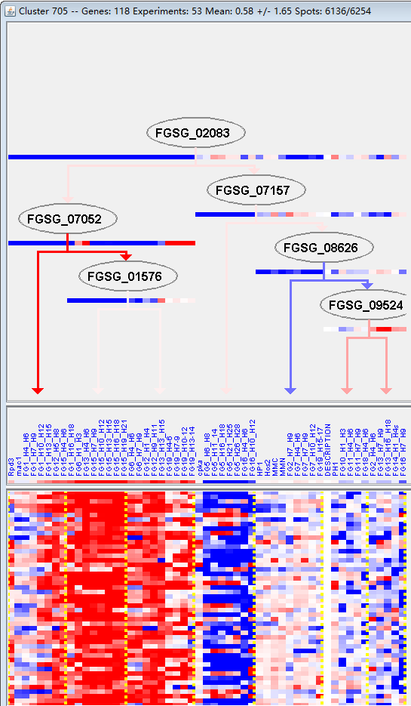
k | Filter | FUNCTIONAL CATEGORY | abs SET | rel SET | genes SET | abs GENOME | rel GENOME | rel SET/rel GENOME | P-VALUE | Bonferroni_corr | FDR
01.05 C-compound and carbohydrate metabolism | 33 | 31.1 | FGSG_02033 FGSG_02202 FGSG_02266 FGSG_02432 FGSG_02751 FGSG_04430 FGSG_03968 FGSG_03904 FGSG_03813 FGSG_03643 FGSG_03343 FGSG_03175 FGSG_03024 FGSG_03002 FGSG_02970 FGSG_04768 FGSG_04848 FGSG_04930 FGSG_06397 FGSG_08177 FGSG_09125 FGSG_09169 FGSG_09291 FGSG_09450 FGSG_11196 FGSG_11169 FGSG_11163 FGSG_11095 FGSG_11066 FGSG_11027 FGSG_11008 FGSG_11399 FGSG_11254 | 1547 | 11.1 | 2.801801802 | 2.42E-08
01.05.02 sugar, glucoside, polyol and carboxylate metabolism | 13 | 12.2 | FGSG_02751 FGSG_04430 FGSG_03968 FGSG_03343 FGSG_03002 FGSG_04848 FGSG_04930 FGSG_06397 FGSG_09291 FGSG_11169 FGSG_11163 FGSG_11066 FGSG_11254 | 307 | 2.22 | 5.495495495 | 6.19E-07
01.05.02.07 sugar, glucoside, polyol and carboxylate catabolism | 9 | 8.49 | FGSG_02751 FGSG_04430 FGSG_03968 FGSG_03002 FGSG_04848 FGSG_06397 FGSG_09291 FGSG_11163 FGSG_11066 | 224 | 1.62 | 5.240740741 | 5.51E-05
01.05.03 polysaccharide metabolism | 10 | 9.43 | FGSG_02202 FGSG_04430 FGSG_03968 FGSG_04768 FGSG_04930 FGSG_06397 FGSG_09291 FGSG_11169 FGSG_11163 FGSG_11254 | 291 | 2.1 | 4.49047619 | 7.84E-05
01 METABOLISM | 43 | 40.5 | FGSG_01661 FGSG_02033 FGSG_02202 FGSG_02266 FGSG_02347 FGSG_02432 FGSG_02672 FGSG_02751 FGSG_04667 FGSG_04580 FGSG_04430 FGSG_03968 FGSG_03904 FGSG_03813 FGSG_03643 FGSG_03531 FGSG_03354 FGSG_03343 FGSG_03175 FGSG_03024 FGSG_03002 FGSG_02970 FGSG_04768 FGSG_04848 FGSG_04930 FGSG_06397 FGSG_08177 FGSG_09103 FGSG_09125 FGSG_09169 FGSG_09291 FGSG_09450 FGSG_11196 FGSG_11169 FGSG_11163 FGSG_11095 FGSG_11066 FGSG_11028 FGSG_11027 FGSG_11008 FGSG_10993 FGSG_11399 FGSG_11254 | 3402 | 24.6 | 1.646341463 | 0.000202295
32.10.07 degradation / modification of foreign (exogenous) polysaccharides | 3 | 2.83 | FGSG_04430 FGSG_09291 FGSG_11163 | 31 | 0.22 | 12.86363636 | 0.001684269
01.20 secondary metabolism | 12 | 11.3 | FGSG_02033 FGSG_02672 FGSG_03904 FGSG_03531 FGSG_03354 FGSG_03175 FGSG_09103 FGSG_09125 FGSG_09169 FGSG_11027 FGSG_11008 FGSG_11399 | 627 | 4.53 | 2.494481236 | 0.00304689
42.01 cell wall | 7 | 6.6 | FGSG_04430 FGSG_03904 FGSG_03343 FGSG_04768 FGSG_09291 FGSG_11169 FGSG_11163 | 276 | 1.99 | 3.316582915 | 0.005320088
20.01.03.03 C4-dicarboxylate transport (e.g. malate, succinate, fumarate) | 2 | 1.88 | FGSG_03643 FGSG_03024 | 18 | 0.13 | 14.46153846 | 0.008223159
43.01.03.06 hyphae formation | 2 | 1.88 | FGSG_04647 FGSG_09353 | 23 | 0.16 | 11.75 | 0.013263688
01.05.09 aminosaccharide metabolism | 3 | 2.83 | FGSG_09450 FGSG_11169 FGSG_11254 | 66 | 0.47 | 6.021276596 | 0.014133554
01.20.01 metabolism of primary metabolic sugar derivatives | 2 | 1.88 | FGSG_03904 FGSG_09169 | 26 | 0.18 | 10.44444444 | 0.016786516
32.10 degradation / modification of foreign (exogenous) compounds | 3 | 2.83 | FGSG_04430 FGSG_09291 FGSG_11163 | 77 | 0.55 | 5.145454545 | 0.021272612
01.20.17.09 metabolism of alkaloids | 2 | 1.88 | FGSG_02033 FGSG_11399 | 31 | 0.22 | 8.545454545 | 0.02343034
14.13.04.02 vacuolar protein degradation | 2 | 1.88 | FGSG_10595 FGSG_10712 | 32 | 0.23 | 8.173913043 | 0.024869149
01.01.09.05.02 degradation of tyrosine | 2 | 1.88 | FGSG_02347 FGSG_03531 | 33 | 0.23 | 8.173913043 | 0.026343173
01.25.01 extracellular polysaccharide degradation | 2 | 1.88 | FGSG_02202 FGSG_04848 | 33 | 0.23 | 8.173913043 | 0.026343173
34.01.03 homeostasis of anions | 2 | 1.88 | FGSG_02426 FGSG_02970 | 36 | 0.26 | 7.230769231 | 0.030970436
01.20.17 metabolism of secondary products derived from primary amino acids | 3 | 2.83 | FGSG_02033 FGSG_11008 FGSG_11399 | 96 | 0.69 | 4.101449275 | 0.037466674
01.20.01.07 metabolism of glycosides | 1 | 0.94 | FGSG_03904 | 5 | 0.03 | 31.33333333 | 0.037755657
20.01.03 C-compound and carbohydrate transport | 6 | 5.66 | FGSG_03643 FGSG_03151 FGSG_03024 FGSG_08177 FGSG_11028 FGSG_10921 | 332 | 2.4 | 2.358333333 | 0.04239651
16.21 complex cofactor/cosubstrate/vitamine binding | 8 | 7.54 | FGSG_02033 FGSG_02672 FGSG_02751 FGSG_03175 FGSG_09125 FGSG_11008 FGSG_10993 FGSG_11399 | 514 | 3.71 | 2.032345013 | 0.043758329
01.20.01.05 metabolism of sugar alcohols | 1 | 0.94 | FGSG_09169 | 6 | 0.04 | 23.5 | 0.045135578

01.05 c -化合物和碳水化合物代谢
01.05.02糖、葡萄糖、多羟基化合物和羧酸盐代谢

